Table 7
12/BOX | 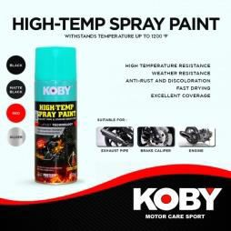 | KOBY HI-TEMP SPRAY PAINT BLACK 450ML | 299.00 3588.00/BOX
12/BOX |  | KOBY HI-TEMP SPRAY PAINT MATTE BLACK 450ML | 299.00 3588.00/BOX
12/BOX | 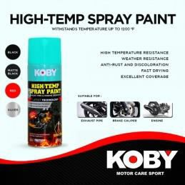 | KOBY HI-TEMP SPRAY PAINT SILVER 450ML | 299.00 3588.00/BOX
12/BOX |  | KOBY HI-TEMP SPRAY PAINT RED 450ML | 299.00 3588.00/BOX

Table 10
SPF-1001 12/BOX | 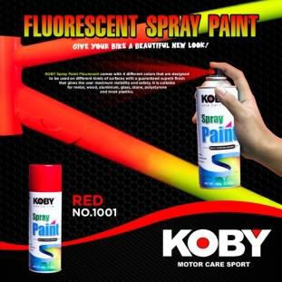 | KOBY SPRAY PAINT No.1001 FLUORESCENT RED 450ML | 240.00 2880.00/BOX
SPF-1006 12/BOX | 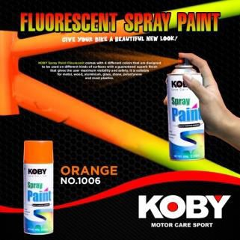 | KOBY SPRAY PAINT No.1006 FLUORESCENT ORANGE 450ML | 240.00 2880.00/BOX
SPF-1003 12/BOX | 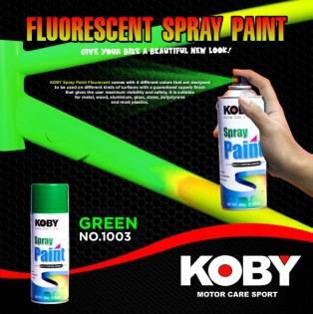 | KOBY SPRAY PAINT No.1003 FLUORESCENT GREEN 450ML | 240.00 2880.00/BOX
SPF-1005 12/BOX | 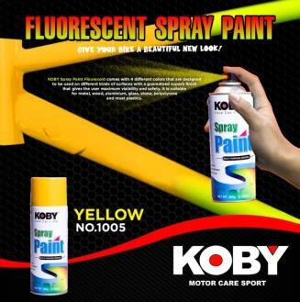 | KOBY SPRAY PAINT No.1005 FLUORESCENT YELLOW 450ML | 240.00 2880.00/BOX

